Problem F
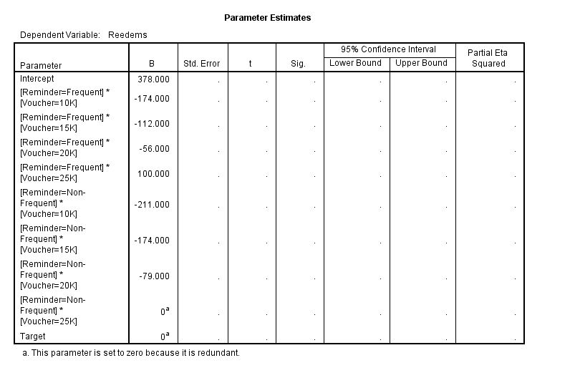
Question 1
Our GO-FOOD service in Surabaya performed very well last month - they had 20% more completed orders last month than the month before. The manager of GO-FOOD in Surabaya needs to see what is happening in order to constantly maintain this success for the next month onwards
Question: What quantitative methods would you use to evaluate the sudden growth? How would you evaluate the customers' behavior?

Menurut dari kasus yang dijelaskan, maka metode evaluasi yang tepat adalah menggunakan intervention analisis. Berdasarkan metode tersebut dapat diketahui letak persis dimana pertumbuhan
pemesanan GO-FOOD naik secara signifikan, sehingga dapat dideteksi apa yang terjadi pada saat itu.
Cara mengevaluasi perilaku pelanggan adalah dengan melihat pola transaksi yang sedang dilakukan dengan menggunakan spatial analisis, metode tersebut dapat menangkap posisi pelanggan, waktu,
serta di daerah seperti apa pelanggan tersebut berada pada waktu yang ditentukan
Question 2
You need to determine the optimal voucher discount amount to offer churned GO-PULSA users.
You have tested 2 variables in the past 7 days. One experiment tested different voucher amounts while the other experiment was testing the frequency of sending push notificaitons to our customers.
Experiment design
Participants were randomly assigned to experimental group and control group.
There are 4 types of voucher amounts tested (10K,15K,20K and 25K). The non-frequent reminder group received one push notification per day for 2 days, while the frequent reminder group received one push notification per day for 4 days.
By inspection, it appears that 25K discount draws high attention to the users, but is it statistically significant?
Question
Design the hypothesis and give your suggestion to the manager for the optimal voucher and reminder scheme based on your analysis using proper method
Campaign Performance Table
Reminder Frequency | Voucher Discounts | Target Users | Redeemed Users | Nilai t | t tabel | keterangan | Berdasarkan uji t didapatkan bahwa rata-rata redeemed users yang optimal
Non-Frequent | 10K | 3043 | 167 | -3.3611333127 | 1.8945786051 | Signifikan | dilakukan oleh skema Frequent dengan voucher 25K, karena memiliki
Frequent | 10K | 3141 | 204 | -2.3480014791 | 1.8945786051 | Signifikan | nilai t statistik paling besar dari yang lain
Non-Frequent | 15K | 3219 | 204 | -2.3480014791 | 1.8945786051 | Signifikan
Frequent | 15K | 2928 | 266 | -0.65032110938 | 1.8945786051 | Tidak Signifikan
Non-Frequent | 20K | 2823 | 299 | 0.25328295839 | 1.8945786051 | Tidak Signifikan
Frequent | 20K | 2668 | 322 | 0.88306761168 | 1.8945786051 | Tidak Signifikan
Non-Frequent | 25K | 3076 | 378 | 2.4164563327 | 1.8945786051 | Signifikan
Frequent | 25K | 2709 | 478 | 5.1546504775 | 1.8945786051 | Signifikan
Control Group | - | 3624 | 41
Hipotesis
H0 : | Tidak Terjadi Efek Interaksi Antara Reminder Frequency dan Voucher Discount
H1 : | Terjadi Efek Interaksi Antara Reminder Frequency dan Voucher Discount

Berdasarkan Analisis dengan metode ANOVA dengan pendekatan General Linier Model (GLM)
Tidak dapat disimpulkan bahwa efek Interaksi berpengaruh terhadap Reedem Users karena tidak ada replikasi pada eksperimen yang dilakukan
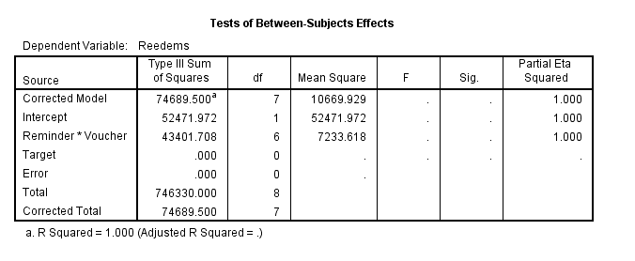

Berdasarkan estimasi parameternya, maka interaksi yang paling tinggi terdapat pada interaksi Frequent dengan Voucher Discount sebesar 100 reedems user
yang berarti setiap ppromo tersebut dilakukan akan menambah pelanggan GO-PULSA sebesar 100 pelanggan

